Planilha1
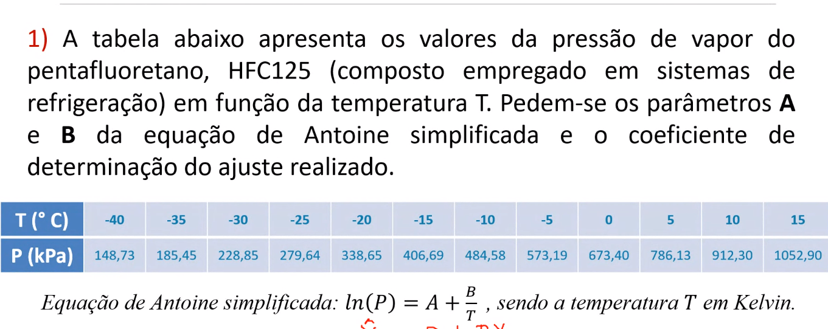

 |  |  |  |  |  |  |  |  |  | Y = 15,27- 2393,05x
 | t(C) | P(kPa) | T(K) | Y | Xi | Xi^2 | XY | (Y - Ŷ)^2 | (Y - Ȳ)^2 |  |  |  |  | ln(P) = Y
 | -40.00 | 148.73 | 233.15 | 5.0021325816 | 0.0042890842805 | 1.8396243965E-05 | 0.021454568225 | 3.1112560086E-05 | 1.0981089904 | Ŷ = | 5.007710445 |  |  | A = B0
 | -35.00 | 185.45 | 238.15 | 5.2227853039 | 0.0041990342221 | 1.7631888399E-05 | 0.021930654226 | 1.7582300632E-07 | 0.68434956867 |  | 5.2232046165 |  |  | X = 1/T
 | -30.00 | 225.85 | 243.15 | 5.4198710621 | 0.0041126876414 | 1.6914199636E-05 | 0.022290236735 | 9.9303690165E-05 | 0.39711230869 |  | 5.4298361858 |  |  | B = B1
 | -25.00 | 279.64 | 248.15 | 5.6335030616 | 0.004029820673 | 1.6239454656E-05 | 0.022702007099 | 2.8753062664E-05 | 0.17350263658 |  | 5.6281408734
 | -20.00 | 338.65 | 253.15 | 5.8249671257 | 0.0039502271381 | 1.5604294442E-05 | 0.023009943218 | 4.0386663299E-05 | 0.050657591038 |  | 5.8186120754
 | -15.00 | 406.69 | 258.15 | 6.0080512245 | 0.0038737168313 | 1.5005682089E-05 | 0.023273489152 | 4.0275041393E-05 | 0.0017630185188 |  | 6.0017049625
 | -10.00 | 484.58 | 263.15 | 6.1832825364 | 0.0038001140034 | 1.4440866439E-05 | 0.023497178554 | 2.9619993555E-05 | 0.017753696474 |  | 6.177840111
 | -5.00 | 573.15 | 268.15 | 6.3511474626 | 0.0037292560134 | 1.3907350414E-05 | 0.023685054867 | 1.3993087556E-05 | 0.09066598191 |  | 6.347406729 | ST = | 4.521834818
 | 0.00 | 673.40 | 273.15 | 6.5123395067 | 0.0036609921289 | 1.3402863368E-05 | 0.023841623675 | 2.4774139862E-06 | 0.21372126059 |  | 6.5107655264 | SR = | 0.00036166023829
 | 5.00 | 786.13 | 278.15 | 6.6671221732 | 0.0035951824555 | 1.2925336888E-05 | 0.023969520666 | 1.2748755514E-06 | 0.38079097795 |  | 6.668251277 | R2 = | 0.99992001914
 | 10.00 | 912.30 | 283.15 | 6.8159688834 | 0.0035316969804 | 1.2472883561E-05 | 0.024071936724 | 1.7692326863E-05 | 0.58664776125 |  | 6.8201751081
12 | 15.00 | 1052.90 | 288.15 | 6.9593035409 | 0.0034704147146 | 1.2043778291E-05 | 0.024151669411 | 5.6595700162E-05 | 0.82676102593 |  | 6.9668265522
 |  |  |  | 72.600474462 | 0.046242227083 | 0.00017898484215 | 0.27787788255 | 0.00036166023829 | 4.521834818
 |  |  |  |  |  |  |  |  |  | Ȳ = | 6.0500395385

 |  | 12 | 0.046242227083 | * | B0 | = | 72.600474462
 |  | 0.046242227083 | 0.00017898484215 |  | B1 |  | 0.27787788255
 |  |  |  |  |  |  |  |  |  | P = e15,27-2393,05 K

 | A-1 = | 18.891137498 | -4880.6829648
 |  | -4880.6829648 | 1266552.2245

 |  | B0 | = | 15.271697832
 |  | B1 |  | -2393.0486593

 |  | A = | 15.27
 |  | B = | -2393.05

